Map - Stns fished
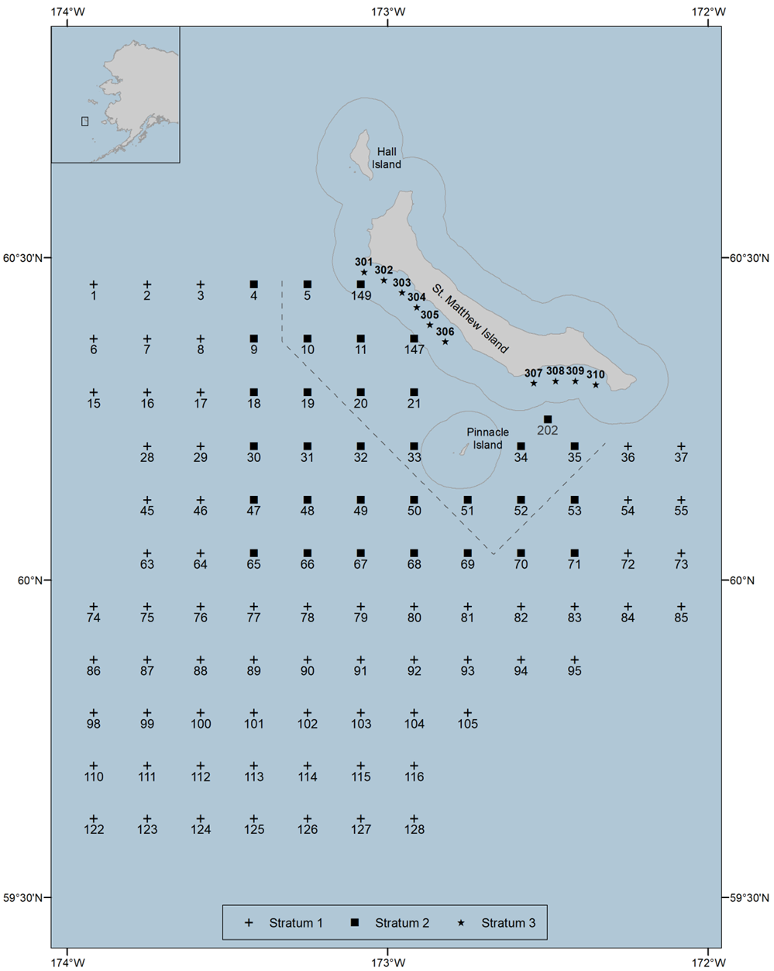
ADF&G - 2022 St. Matthew Island blue king crab pot survey - Stations fished

